Intro
This spreadsheet contains lists of FCC ID's for Class A and Class B devices on the FCC OET authorisation search page as per the search details pasted below:
https://apps.fcc.gov/oetcf/eas/reports/GenericSearch.cfm

Class A devices
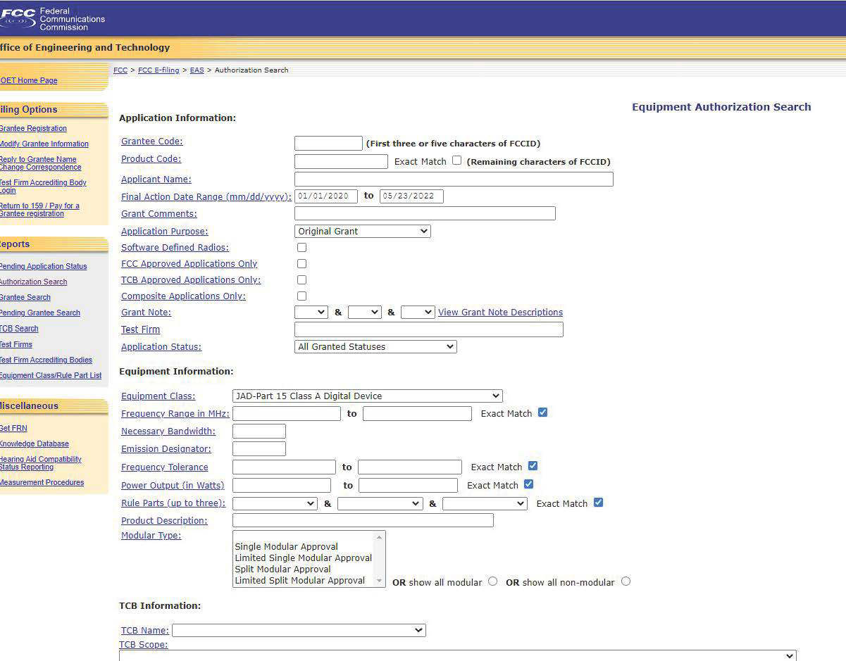

Class B devices

